Project - Data
Motor Position Control
The work in the lab can be divided into the following three sub-tasks:
1. Understanding the IC(L293D) and connecting the IC together with the motor and Arduino Mega.
2. Coding the Arduino for basic control of the motor and then applying the PID algorithm.
3. Debugging the PID parameters to get the optimal results.
The Circuit
The pinout of the IC used i.e., L293D, is shown alongside. The pin functions can be
understood as follows:
EN1/EN2: Pulled up for enabling IN1/2(OUT1/2) and IN3/4(OUT3/4) respectively
INx: Pulled up for making OUTx to +Vmotor
+V: Connected to 5V as a IC Power supply
+Vmotor: Connected to a 12V-15V source. Used for providing motor voltage.
Arduino Mega is a micro controller board. It is used for reading the sensor values and then applying proper PWM voltages to the motor. The processing for finding the appropriate PWM signal is also done on the same board.
We used the PWM pins 2 and 3 for generated the required output and the analog pin A0 for reading the sensor values. The coding was done on the Arduino IDE and the code was then loaded on the board using the same IDE.
 |  | 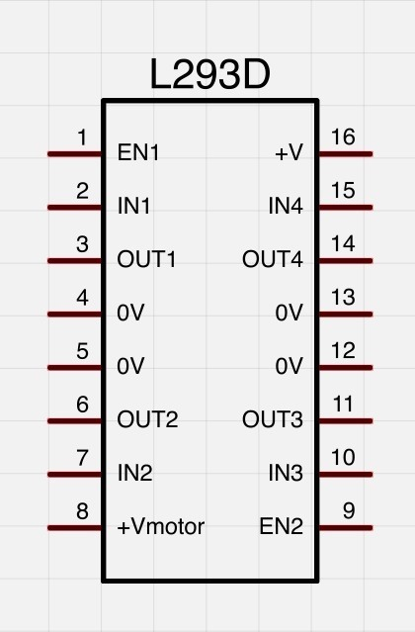
The Code
The code written onto the microprocessor can be understood by the following flowchart:
For reference the final code is also provided at the end of the report.
The PID algorithm used in the control processing can be understood as follows:
Proportional Error(P): Accounts for the present value of the error
Higher current error => Higher P
Integral Error(I): Accounts for higher precision of the error.
Accumulates the error until the goal is not reached
Differential Error(D): Takes care of any sudden change in error.
Ensures smooth transition
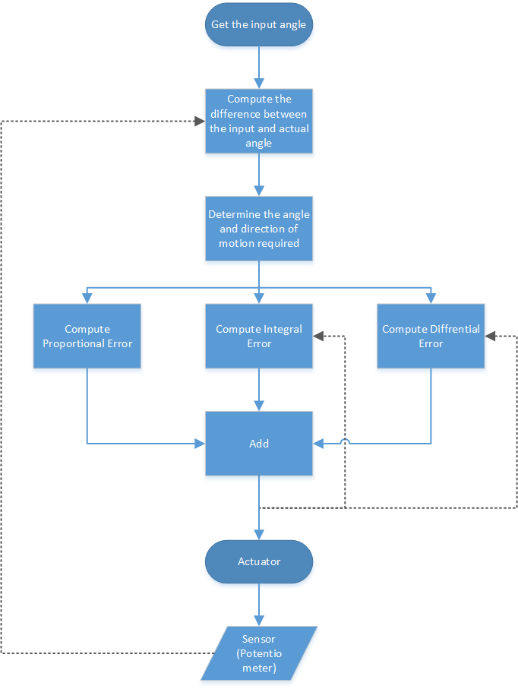
The debugging
For finding the optimal PID parameters, we ran the process many times with various parameters to get an approximate on the values of the parameters for the given system.
 | Angle
0 | 0
1 | 1
2 | 2
3 | 3
4 | 4
5 | 5
6 | 6
7 | 7
8 | 8
9 | 7
10 | 8
11
Data
Time | Angle
0 | 0.0
1 | 1.0
2 | 2.0
3 | 3.0
4 | 4.0
5 | 5.0
6 | 6.0
7 | 7.0
8 | 8.0
9 | 7.0
10 | 8.0
11

